Oil filter Head 12V140-1,2
PT SAPTAINDRA SEJATI
NAROGONG REBUILD CENTER
ASSEMBLY CHECK SHEET
OIL FILTER HEAD OF ENGINE 12V140-1 Series

JOB NUMBER |  |  |  |  |  | PART NAME |  | OIL FILTER HEAD |  |  | DOCUMENT NO. |  |  |  | RC/QR04/EG/14/01
ENGINE MODEL |  | 12V140-1 |  |  |  | PART NUMBER |  |  |  |  | PUBL. DATE
ENGINE S/N |  |  |  |  |  | START DATE / TIME |  |  |  |  | REVISION NO. |  |  |  | 02
MACHINE MODEL |  |  |  |  |  | FINISH DATE / TIME |  |  |  |  | PAGE |  |  |  | 1 of 1

ASSEMBLY BY

NO | PARTS | CHECK | CONDITION TO BE CHECKED |  |  |  |  |  | SPEC. | SIGN |  |  | REMARKS (SKETCH, PHOTOES,
 |  | POINT |  |  |  |  |  |  |  | MEC | QA | GL | COMMENTS)
1 | Brackets |  | - | Confirm that bracket is free from dirt, crack,
 |  |  |  | corrosion and damage.

 |  |  | - | Confirm that all threads are free from
 |  |  |  | damage.

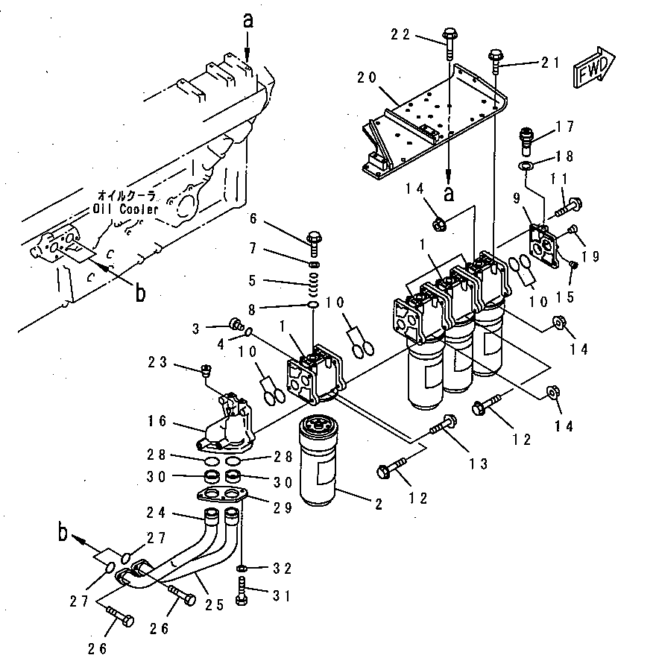
2. | Oil Filter Head | Connector | - | Tightening connector to bracket |  |  |  |  | 9 ± 0.5 Kgm
 | Assembly |  |  |  | Actual : Kgm

 |  |  | - | Tightening cap to Oil Filter Head |  |  |  |  | 5 ± 0.5 Kgm
 |  |  |  |  | Actual : Kgm

 |  |  | - | Tightening Oil Filter Head mounting bolt |  |  |  |  | 5 ~6.5 Kgm
 |  |  |  |  | Actual : Kgm

 |  |  | - | Tightening plug 14 mm to Oil Filter Head |  |  |  |  | 3 ± 0.5 Kgm
 |  |  |  |  | Actual : Kgm

3. | Final |  | - | Recheck all plugs and cap from loosen
 | Inspection
 |  |  | - | Recheck marks

MECHANIC ASSEMBLY COMMENT

 | ASSEMBLY BY |  |  |  |  |  | INSPECTED & APPROVED BY :

 | MECHANIC (MECH) |  |  |  |  |  | QUALITY ASSURANCE (QA) |  |  |  |  |  |  | GL/SPV PRODUCTION

